Sheet1
RMC56 EE 4P/0.1KW Lub Motor
Dimensional Details
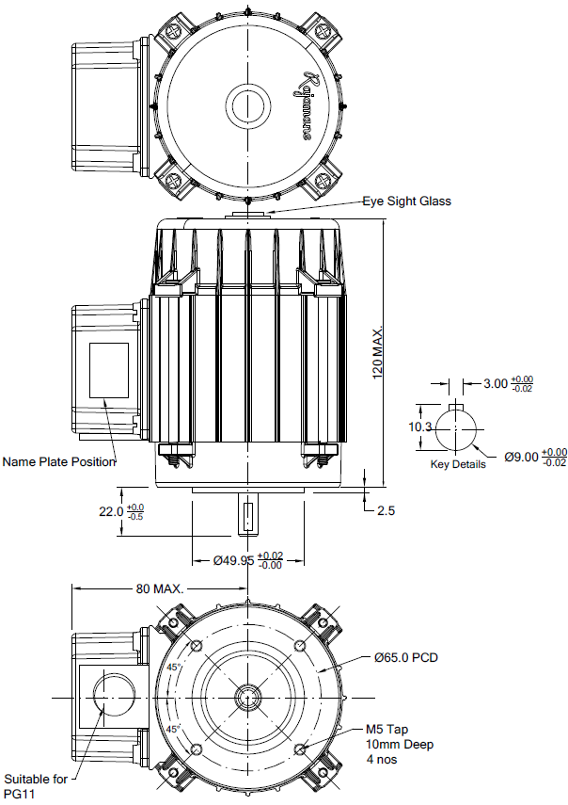

Technical Data
Power (kW) | 0.1 | Rated Current (A) | 0.65
Voltage (V) | 415 | Efficiency Level | _
Frequency (Hz) | 50 | Insulation Class | F
RPM | 1340 | Duty | S4

